Survey Data >>
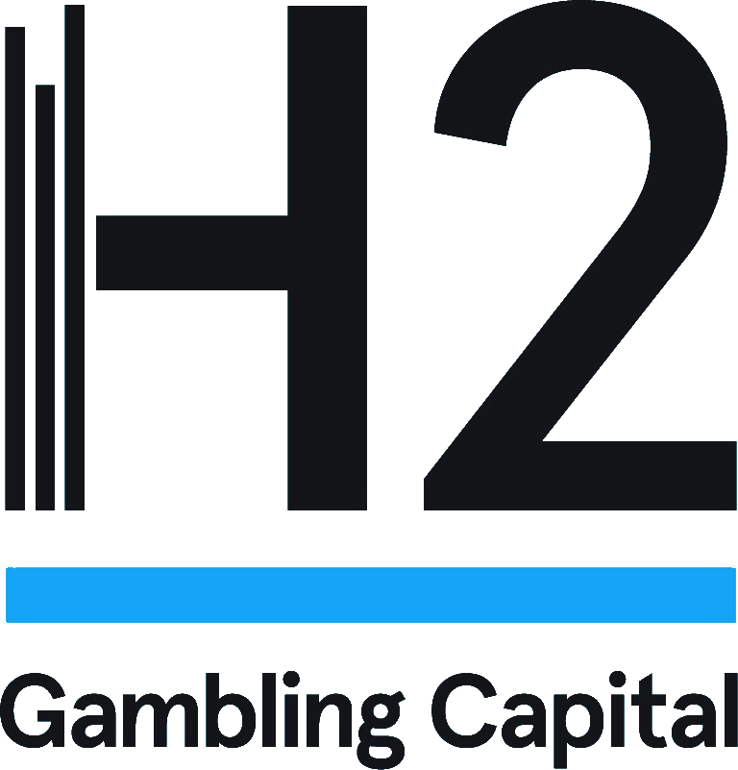


Survey Data

Concentration of Spend
Concentration of Player Spend
Concentration of Player Spend

Weekly Spend | % of Players | %of Spend

Low (> R$50) | 25% | 3%
Ave (R$50-R$400) | 61% | 43%
High (R$400-R$1000) | 12% | 33%
V High (R$1000+) | 2% | 21%

Q1 2025 | % of Players | %of Spend

Low (> R$50) | 25% | 3%
Ave (R$50-R$400) | 61% | 43%
High (R$400-R$1000) | 12% | 33%
V High (R$1000+) | 2% | 21%

Demographics
Gender of Gamblers
Gender of Gamblers
 | Men | Women | #REF! | #REF! | #REF! | #REF! | #REF!
Total Market | 55% | 45% | 1 | 1 | 1 | 1 | 1
Low (> R$50) | 49% | 51%
Ave (R$50-R$400) | 57% | 43%
High (R$400-R$1000) | 60% | 40%
V High (R$1000+) | 60% | 40%

Weekly Spend | Men | Women

Total Market | 55% | 45%
Low (> R$50) | 49% | 51%
Ave (R$50-R$400) | 57% | 43%
High (R$400-R$1000) | 60% | 40%
V High (R$1000+) | 60% | 40%

Q1 2025 | Men | Women

Total Market | 55% | 45%
Low (> R$50) | 49% | 51%
Ave (R$50-R$400) | 57% | 43%
High (R$400-R$1000) | 60% | 40%
V High (R$1000+) | 60% | 40%

Choice of Operator
Reason for Choice of Operator

Choice of Gambling Operator by Level of Spend

Weekly Spend | Brand awareness | Bonus / Welcome offers | Betting odds | Betting / gaming product available | Ease of use | Other

Total Market | 26% | 26% | 16% | 14% | 17% | 0%
Low (> R$50) | 22% | 26% | 16% | 12% | 23% | 1%
Ave (R$50-R$400) | 27% | 27% | 16% | 14% | 17% | 0%
High (R$400-R$1000) | 37% | 24% | 16% | 13% | 9% | 1%
V High (R$1000+) | 15% | 25% | 15% | 35% | 10% | 0%

Q1 2025 | Brand awareness | Bonus / Welcome offers | Betting odds | Betting / gaming product available | Ease of use | Other

Total Market | 26% | 26% | 16% | 14% | 17% | 0%
Low (> R$50) | 22% | 26% | 16% | 12% | 23% | 1%
Ave (R$50-R$400) | 27% | 27% | 16% | 14% | 17% | 0%
High (R$400-R$1000) | 37% | 24% | 16% | 13% | 9% | 1%
V High (R$1000+) | 15% | 25% | 15% | 35% | 10% | 0%

Choice of Unlicensed
Reason to Choose Unlicensed Operator
Reason to Choose Unlicensed Operator by Level of Spend

Weekly Spend | Better Odds / pricing | Higher bonuses / free bets | I'm blocked with licensed operators | Better product offering | Fewer customer checks | Don't pay tax on winnings | I can bet on credit | I don't use unlicensed operators

Total Market | 21% | 25% | 7% | 20% | 11% | 9% | 5% | 3%
Low (> R$50) | 15% | 33% | 4% | 22% | 7% | 11% | 4% | 4%
Ave (R$50-R$400) | 21% | 23% | 6% | 21% | 11% | 7% | 6% | 4%
High (R$400-R$1000) | 20% | 27% | 7% | 16% | 16% | 11% | 4% | 0%
V High (R$1000+) | 38% | 13% | 13% | 25% | 0% | 13% | 0% | 0%

Q1 2025 | Better Odds / pricing | Higher bonuses / free bets | I'm blocked with licensed operators | Better product offering | Fewer customer checks | Don't pay tax on winnings | I can bet on credit | I don't use unlicensed operators

Total Market | 21% | 25% | 7% | 20% | 11% | 9% | 5% | 3%
Low (> R$50) | 15% | 33% | 4% | 22% | 7% | 11% | 4% | 4%
Ave (R$50-R$400) | 21% | 23% | 6% | 21% | 11% | 7% | 6% | 4%
High (R$400-R$1000) | 20% | 27% | 7% | 16% | 16% | 11% | 4% | 0%
V High (R$1000+) | 38% | 13% | 13% | 25% | 0% | 13% | 0% | 0%

Licensed v Unlicensed
Use of Licensed Vs Unlicensed Operators
Use of Licensed Vs Unlicensed Operator
 | No - I only use licensed operators | I use both licensed and unlicensed operators | I only use unlicensed operators | I don't know if an operator is licensed or not | #REF! | #REF! | #REF! | #REF!
Total Market | 69% | 16% | 4% | 11% | 1 | 1 | 1 | 1
Low (> R$50) | 62% | 11% | 4% | 23%
Ave (R$50-R$400) | 73% | 15% | 4% | 8%
High (R$400-R$1000) | 64% | 28% | 2% | 6%
V High (R$1000+) | 55% | 27% | 9% | 9%

Weekly Spend | No - I only use licensed operators | I use both licensed and unlicensed operators | I only use unlicensed operators | I don't know if an operator is licensed or not

Total Market | 69% | 16% | 4% | 11%
Low (> R$50) | 62% | 11% | 4% | 23%
Ave (R$50-R$400) | 73% | 15% | 4% | 8%
High (R$400-R$1000) | 64% | 28% | 2% | 6%
V High (R$1000+) | 55% | 27% | 9% | 9%

Q1 2025 | No - I only use licensed operators | I use both licensed and unlicensed operators | I only use unlicensed operators | I don't know if an operator is licensed or not

Total Market | 69% | 16% | 4% | 11%
Low (> R$50) | 62% | 11% | 4% | 23%
Ave (R$50-R$400) | 73% | 15% | 4% | 8%
High (R$400-R$1000) | 64% | 28% | 2% | 6%
V High (R$1000+) | 55% | 27% | 9% | 9%

Number of Accounts
Number of Accounts
Number of Accounts
 | 1 Account | 2 Accounts | 3 Accounts | 4 Accounts | 5+ Accounts | #REF! | #REF!
Total Market | 28% | 29% | 24% | 8% | 11% | 1 | 1
Low (> R$50) | 47% | 33% | 14% | 3% | 3%
Ave (R$50-R$400) | 25% | 30% | 25% | 9% | 11%
High (R$400-R$1000) | 9% | 19% | 38% | 11% | 23%
V High (R$1000+) | 10% | 10% | 20% | 30% | 30%

Weekly Spend | 1 Account | 2 Accounts | 3 Accounts | 4 Accounts | 5+ Accounts

Total Market | 28% | 29% | 24% | 8% | 11%
Low (> R$50) | 47% | 33% | 14% | 3% | 3%
Ave (R$50-R$400) | 25% | 30% | 25% | 9% | 11%
High (R$400-R$1000) | 9% | 19% | 38% | 11% | 23%
V High (R$1000+) | 10% | 10% | 20% | 30% | 30%

Q1 2025 | 1 Account | 2 Accounts | 3 Accounts | 4 Accounts | 5+ Accounts

Total Market | 28% | 29% | 24% | 8% | 11%
Low (> R$50) | 47% | 33% | 14% | 3% | 3%
Ave (R$50-R$400) | 25% | 30% | 25% | 9% | 11%
High (R$400-R$1000) | 9% | 19% | 38% | 11% | 23%
V High (R$1000+) | 10% | 10% | 20% | 30% | 30%

Why Gamble
Reason for Gambling
Reason for Gambling
 | As a form of entertainment | To make money | To compete against others | To make sports events more interesting | To be sociable | Other | #REF! | #REF!
Total Market | 36% | 35% | 11% | 12% | 6% | 0% | 1 | 1
Low (> R$50) | 41% | 38% | 8% | 7% | 6% | 1%
Ave (R$50-R$400) | 36% | 36% | 10% | 12% | 5% | 0%
High (R$400-R$1000) | 31% | 28% | 14% | 18% | 8% | 2%
V High (R$1000+) | 21% | 38% | 21% | 17% | 4% | 0%

Weekly Spend | As a form of entertainment | To make money | To compete against others | To make sports events more interesting | To be sociable | Other

Total Market | 36% | 35% | 11% | 12% | 6% | 0%
Low (> R$50) | 41% | 38% | 8% | 7% | 6% | 1%
Ave (R$50-R$400) | 36% | 36% | 10% | 12% | 5% | 0%
High (R$400-R$1000) | 31% | 28% | 14% | 18% | 8% | 2%
V High (R$1000+) | 21% | 38% | 21% | 17% | 4% | 0%

Q1 2025 | As a form of entertainment | To make money | To compete against others | To make sports events more interesting | To be sociable | Other

Total Market | 36% | 35% | 11% | 12% | 6% | 0%
Low (> R$50) | 41% | 38% | 8% | 7% | 6% | 1%
Ave (R$50-R$400) | 36% | 36% | 10% | 12% | 5% | 0%
High (R$400-R$1000) | 31% | 28% | 14% | 18% | 8% | 2%
V High (R$1000+) | 21% | 38% | 21% | 17% | 4% | 0%

View on Advertising
View on Advertising
View On Advertising
 | It’s far too much and should be significantly reduced. | It’s somewhat excessive but manageable. | It’s a reasonable amount and doesn’t bother me. | There’s not enough advertising, and it could be increased. | I have no opinion or don’t notice gambling advertisements. | #REF! | #REF! | #REF!
Total Market | 29% | 32% | 32% | 3% | 4% | 1 | 1 | 1
Low (> R$50) | 41% | 35% | 22% | 1% | 1%
Ave (R$50-R$400) | 26% | 32% | 33% | 4% | 5%
High (R$400-R$1000) | 19% | 26% | 49% | 2% | 4%
V High (R$1000+) | 30% | 20% | 40% | 10% | 0%

Weekly Spend | It’s far too much and should be significantly reduced. | It’s somewhat excessive but manageable. | It’s a reasonable amount and doesn’t bother me. | There’s not enough advertising, and it could be increased. | I have no opinion or don’t notice gambling advertisements.

Total Market | 29% | 32% | 32% | 3% | 4%
Low (> R$50) | 41% | 35% | 22% | 1% | 1%
Ave (R$50-R$400) | 26% | 32% | 33% | 4% | 5%
High (R$400-R$1000) | 19% | 26% | 49% | 2% | 4%
V High (R$1000+) | 30% | 20% | 40% | 10% | 0%

Q1 2025 | It’s far too much and should be significantly reduced. | It’s somewhat excessive but manageable. | It’s a reasonable amount and doesn’t bother me. | There’s not enough advertising, and it could be increased. | I have no opinion or don’t notice gambling advertisements.

Total Market | 29% | 32% | 32% | 3% | 4%
Low (> R$50) | 41% | 35% | 22% | 1% | 1%
Ave (R$50-R$400) | 26% | 32% | 33% | 4% | 5%
High (R$400-R$1000) | 19% | 26% | 49% | 2% | 4%
V High (R$1000+) | 30% | 20% | 40% | 10% | 0%

View on Integrity
View on Gambling Impact on Integrity of sport
View of Gambling Impact on Integruty of Sport
 | Increased gambling is a risk to sporting integrity | There is no evidence to suggest that more people gambling impacts sporting integrity | Legalised gambling protects sporting integrity as it is monitored - illegal gambling is the risk | I have no opinion | #REF! | #REF! | #REF!
Total Market | 34% | 20% | 38% | 8% | 1 | 1 | 1
Low (> R$50) | 47% | 11% | 31% | 11%
Ave (R$50-R$400) | 32% | 21% | 39% | 8%
High (R$400-R$1000) | 21% | 28% | 47% | 4%
V High (R$1000+) | 40% | 20% | 40% | 0%

Weekly Spend | Increased gambling is a risk to sporting integrity | There is no evidence to suggest that more people gambling impacts sporting integrity | Legalised gambling protects sporting integrity as it is monitored - illegal gambling is the risk | I have no opinion

Total Market | 34% | 20% | 38% | 8%
Low (> R$50) | 47% | 11% | 31% | 11%
Ave (R$50-R$400) | 32% | 21% | 39% | 8%
High (R$400-R$1000) | 21% | 28% | 47% | 4%
V High (R$1000+) | 40% | 20% | 40% | 0%

Q1 2025 | Increased gambling is a risk to sporting integrity | There is no evidence to suggest that more people gambling impacts sporting integrity | Legalised gambling protects sporting integrity as it is monitored - illegal gambling is the risk | I have no opinion

Total Market | 34% | 20% | 38% | 8%
Low (> R$50) | 47% | 11% | 31% | 11%
Ave (R$50-R$400) | 32% | 21% | 39% | 8%
High (R$400-R$1000) | 21% | 28% | 47% | 4%
V High (R$1000+) | 40% | 20% | 40% | 0%

View of Industry
View of Online Gambling Industry
View of Online Gambling Industry
 | 1-3 Negative | 4-7 Neutral | 8-10 Positive | #REF! | #REF! | #REF! | #REF!
Total Market | 12% | 48% | 40% | 1 | 1 | 1 | 1
Low (> R$50) | 19% | 58% | 23%
Ave (R$50-R$400) | 12% | 47% | 41%
High (R$400-R$1000) | 0% | 30% | 70%
V High (R$1000+) | 0% | 50% | 50%

Weekly Spend | 1-3 Negative | 4-7 Neutral | 8-10 Positive

Total Market | 12% | 48% | 40%
Low (> R$50) | 19% | 58% | 23%
Ave (R$50-R$400) | 12% | 47% | 41%
High (R$400-R$1000) | 0% | 30% | 70%
V High (R$1000+) | 0% | 50% | 50%

Q1 2025 | 1-3 Negative | 4-7 Neutral | 8-10 Positive

Total Market | 12% | 48% | 40%
Low (> R$50) | 19% | 58% | 23%
Ave (R$50-R$400) | 12% | 47% | 41%
High (R$400-R$1000) | 0% | 30% | 70%
V High (R$1000+) | 0% | 50% | 50%

Financial Difficulty
Financial Difficulties in Last 12 Months
Financial Difficulties in Last 12 Months
 | No | Not sure | Yes | #REF! | #REF! | #REF! | #REF!
Total Market | 78% | 5% | 17% | 1 | 1 | 1 | 1
Low (> R$50) | 80% | 6% | 14%
Ave (R$50-R$400) | 78% | 4% | 18%
High (R$400-R$1000) | 79% | 4% | 17%
V High (R$1000+) | 70% | 0% | 30%

Weekly Spend | No | Not sure | Yes

Total Market | 78% | 5% | 17%
Low (> R$50) | 80% | 6% | 14%
Ave (R$50-R$400) | 78% | 4% | 18%
High (R$400-R$1000) | 79% | 4% | 17%
V High (R$1000+) | 70% | 0% | 30%

Q1 2025 | No | Not sure | Yes

Total Market | 78% | 5% | 17%
Low (> R$50) | 80% | 6% | 14%
Ave (R$50-R$400) | 78% | 4% | 18%
High (R$400-R$1000) | 79% | 4% | 17%
V High (R$1000+) | 70% | 0% | 30%

